Lecture Notes
Understanding Compound Financial Instruments (IAS 32) | Example Breakdown:

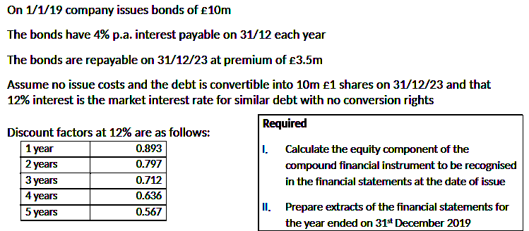
Definition: | Let's dissect the provided example to illustrate these principles:
IAS 32 is pivotal in distinguishing between the liability and equity
components of compound financial instruments. A classic example
of such an instrument is a convertible bond. These bonds when issued
embed both a debt obligation and an option for the bondholder to
convert them into equity shares of the issuing company.

Key Principles:
- Separation of Components: The core principle is the separation of these
components. The liability portion represents the issuer's obligation to
repay the debt, while the equity portion reflects its value.

Measurement of Liability Component: The fair value of the liability
component is determined by discounting the future cash flows associated
with the debt. This involves estimating the interest payments and the principal |  |  |  |  | £'000
repayment, and then discounting these cash flows to their present value using | PV of Final Redemption (£13.5m * 0.567) |  |  |  | £7,654.50
a market-related discount rate. | PV of Annual Interest (£10m * 4% * 3.605) |  |  |  | £1,442.00
 | Liability Component (FV) |  |  |  | £9,096.50
Derivation of Equity Component: The equity component's fair value is not
directly measured. Instead, it's derived as the balancing figure. This means | Total Instrument |  |  |  | £10,000.00
it's the difference between the total proceeds received from issuing the instrument | Liability Component (FV) |  |  |  | £9,096.50
and the fair value of the liability component. | Equity Component |  |  |  | £903.50

 | Year | Bal b/f | Finance Charge (12%) | Annual Payment (4%) |  | Bal c/f
 | 2019 | £9,096.50 | £1,091.58 | £400.00 |  | £9,788.08
 | 2020 | £9,788.08 | £1,174.57 | £400.00 |  | £10,562.65
 | 2021 | £10,562.65 | £1,267.52 | £400.00 |  | £11,430.17
 | 2022 | £11,430.17 | £1,371.62 | £400.00 |  | £12,401.79
 | 2023 | £12,401.79 | £1,488.21 | £400.00 |  | £13,490.00

 | Statement of Financial Position

 | Non-current liabilities:
 | Convertible debt |  | 9,788

 | Equity
 | Equity option |  | 903.5

 | SPL
 | Finance charge |  | 1,092

